Run Analysis
Project ID: | Jaipur
Experiment Title: | 20221006 Run 1 17 Marina Samples
Experiment Aim: | Detection: Process collaborator's samples to detect any pathogen
Date: | 6-Oct-22
Operator: | Ken & Nathalie

Link:

Instrument Information
Description |  | Asset Number (Internal)
Real-Time PCR System, CFX96 Touch |  | CFX-INS-2

Analysis Settings
Target Channel: | FAM, HEX, TEX
Threshold (CFX): | 50

Results and Run Analysis

Raw Amplification Plot (Green (FAM)) |  |  |  |  | Raw Amplification Plot (Yellow (HEX))
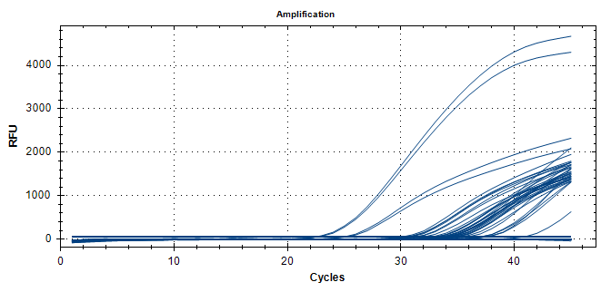
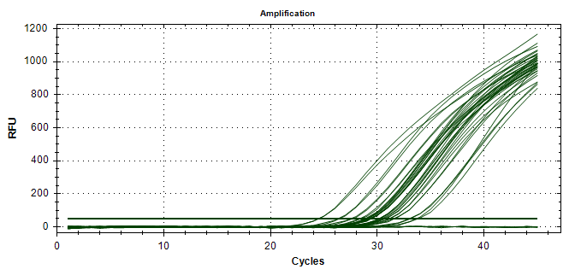

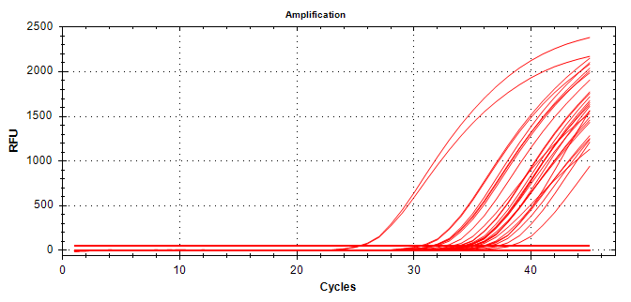
Well | Sample | FAM | HEX | Texas Red | Raw Amplification Plot (Red (TEX))
A01 | UidA NC | N/A | N/A | N/A
A02 | UidA Sample 1 | N/A | N/A | N/A
A03 | UidA Sample 2 | N/A | N/A | N/A
A04 | UidA Sample 3 | 40.63 | N/A | N/A
A05 | UidA Sample 4 | N/A | N/A | N/A
A06 | UidA Sample 5 | N/A | N/A | N/A
A07 | UidA Sample 6 | N/A | N/A | N/A
A08 | UidA Sample 7 | N/A | N/A | N/A
A09 | UidA Sample 8 | N/A | N/A | N/A
A11 | UidA NTC | N/A | N/A | N/A
A12 | UidA NTC | N/A | N/A | N/A
B01 | UidA NC | 37.31 | N/A | N/A
B02 | UidA Sample 1 | N/A | N/A | N/A
B03 | UidA Sample 2 | N/A | N/A | N/A
B04 | UidA Sample 3 | 36.92 | N/A | N/A
B05 | UidA Sample 4 | N/A | N/A | N/A
B06 | UidA Sample 5 | N/A | N/A | N/A
B07 | UidA Sample 6 | N/A | N/A | N/A
B08 | UidA Sample 7 | N/A | N/A | N/A
B09 | UidA Sample 8 | N/A | N/A | N/A
B11 | 3Plx NTC | N/A | N/A | N/A
B12 | 3Plx NTC | N/A | N/A | N/A
C01 | UidA Sample 9 | N/A | N/A | N/A
C02 | UidA Sample 10 | N/A | N/A | N/A
C03 | UidA Sample 11 | N/A | N/A | N/A
C04 | UidA Sample 12 | N/A | N/A | N/A
C05 | UidA Sample 13 | N/A | N/A | N/A
C06 | UidA Sample 14 | N/A | N/A | N/A
C07 | UidA Sample 15 | N/A | N/A | N/A
C08 | UidA Sample 16 | N/A | N/A | N/A
C09 | UidA Sample 17 | N/A | N/A | N/A
D01 | UidA Sample 9 | N/A | N/A | N/A
D02 | UidA Sample 10 | N/A | N/A | N/A
D03 | UidA Sample 11 | N/A | N/A | N/A
D04 | UidA Sample 12 | N/A | N/A | N/A
D05 | UidA Sample 13 | N/A | N/A | N/A
D06 | UidA Sample 14 | N/A | N/A | N/A
D07 | UidA Sample 15 | N/A | N/A | N/A
D08 | UidA Sample 16 | N/A | N/A | N/A
D09 | UidA Sample 17 | N/A | N/A | N/A
E01 | 3Plx NC | N/A | N/A | N/A
E02 | 3Plx Sample 1 | N/A | 33.1 | N/A
E03 | 3Plx Sample 2 | 32.54 | 27.69 | 32.6
E04 | 3Plx Sample 3 | 33.39 | 29.25 | 36.04
E05 | 3Plx Sample 4 | 37.23 | 31.53 | N/A
E06 | 3Plx Sample 5 | 34.29 | 29.03 | 36.38
E07 | 3Plx Sample 6 | 33.32 | 29.39 | 34.2
E08 | 3Plx Sample 7 | N/A | 33.65 | N/A
E09 | 3Plx Sample 8 | 34.17 | 30.42 | 37.2
F01 | 3Plx NC | N/A | N/A | N/A
F02 | 3Plx Sample 1 | 36.82 | 32.98 | N/A
F03 | 3Plx Sample 2 | 31.85 | 27.5 | 33.25
F04 | 3Plx Sample 3 | 33.77 | 29.33 | 35.02
F05 | 3Plx Sample 4 | N/A | 31.58 | 36.08
F06 | 3Plx Sample 5 | 34.48 | 28.83 | N/A
F07 | 3Plx Sample 6 | 33.41 | 29.42 | 33.86
F08 | 3Plx Sample 7 | 35.6 | 33.81 | N/A
F09 | 3Plx Sample 8 | 35.08 | 30.51 | 35.05
G01 | 3Plx Sample 9 | 32.9 | 31.13 | 35.33
G02 | 3Plx Sample 10 | 32.88 | 30.17 | 34.91
G03 | 3Plx Sample 11 | 33.01 | 29.08 | 33.7
G04 | 3Plx Sample 12 | 33.84 | 31.18 | 34.32
G05 | 3Plx Sample 13 | 34.58 | 28.89 | 34.49
G06 | 3Plx Sample 14 | 31.1 | 29.1 | 31.97
G07 | 3Plx Sample 15 | 30 | 28.38 | 30.48
G08 | 3Plx Sample 16 | 30.59 | 26.31 | 31.63
G09 | 3Plx Sample 17 | 34.09 | 30.18 | N/A
G11 | UidA PC | 22.34 | N/A | N/A
G12 | UidA PC | 22.45 | N/A | N/A
H01 | 3Plx Sample 9 | 33.92 | 30.74 | 35.92
H02 | 3Plx Sample 10 | 33.72 | 30.18 | 34.49
H03 | 3Plx Sample 11 | 33.83 | 29.29 | 35
H04 | 3Plx Sample 12 | 33.95 | 30.73 | N/A
H05 | 3Plx Sample 13 | 33.37 | 29.07 | 34.31
H06 | 3Plx Sample 14 | 31.2 | 29.3 | 31.51
H07 | 3Plx Sample 15 | 30.3 | 28.38 | 30.73
H08 | 3Plx Sample 16 | 30.5 | 26.43 | 31.52
H09 | 3Plx Sample 17 | 34.73 | 30.28 | 38.21
H11 | 3Plx PC | 24.79 | 24.47 | 25.31
H12 | 3Plx PC | 25 | 24.49 | 25.43

