Run Analysis
Project ID: | Jaipur
Experiment Title: | 20220817 Run 2 EC, leg 3plex w 700ml Ice AF crude
Experiment Aim: | To check NTC for 2/3PLEX by using different primer combination
Date: | 17-Aug-22
Operator: | Bachana

Link:

Instrument Information
Description |  | Asset Number (Internal)
Real-Time PCR System, CFX96 Touch |  | CFX-INS-2

Analysis Settings
Target Channel: | FAM, HEX, TEX
Threshold (CFX): | 50

Results and Run Analysis

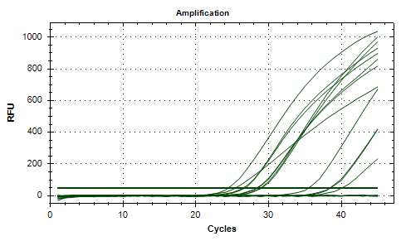
Raw Amplification Plot (Green (FAM)) |  |  |  |  | Raw Amplification Plot (Yellow (HEX))
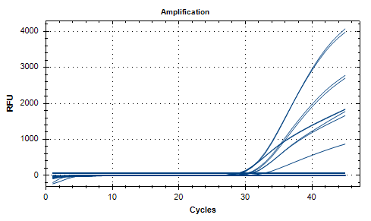

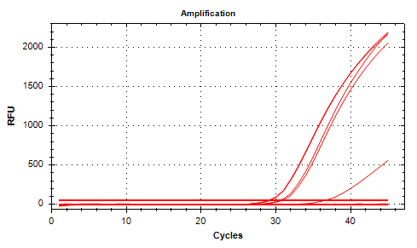
Well | Sample | Ct in FAM channel | Ct in HEX channel | Ct in TEX channel | Raw Amplification Plot (Red (TEX))
A02 | UidA MF 300mlNC | N/A | N/A | N/A
A03 | UidA MF 300mlNC | N/A | N/A | N/A
A05 | 3plx MF300ml NC | N/A | N/A | N/A
A06 | 3plx MF300ml NC | N/A | N/A | N/A
B10 | UIdA NTC | N/A | N/A | N/A
B11 | UIdA NTC | N/A | N/A | N/A
C02 | UidA MF L8F Tap | N/A | N/A | N/A
C03 | UidA MF L8F Tap | N/A | N/A | N/A
C05 | 3plex MF L8FTAP | 30.36 | 28.49 | 30.47
C06 | 3plex MF L8FTAP | 30.6 | 28.39 | 30.86
C10 | 3Plex NTC | N/A | N/A | N/A
C11 | 3Plex NTC | N/A | N/A | N/A
D02 | UidA MF L7FShwr | N/A | N/A | N/A
D03 | UidA MF L7FShwr | N/A | N/A | N/A
D05 | 3plxMF L7FShowr | 28.74 | 26.5 | 29.16
D06 | 3plxMF L7FShowr | 28.58 | 26.8 | 29.04
E02 | UidA MF Matrix | N/A | N/A | N/A
E03 | UidA MF Matrix | N/A | N/A | N/A
E05 | 3plxMF Matrix | 30.08 | 28.94 | N/A
E06 | 3plxMF Matrix | 29.98 | 29.1 | N/A
F02 | UidA MF L7 Disp | N/A | N/A | N/A
F03 | UidA MF L7 Disp | N/A | N/A | N/A
F05 | 3plxMF L7Dispen | N/A | 38.44 | N/A
F06 | 3plxMF L7Dispen | N/A | 35.52 | N/A
G02 | UidA MF Koipnd | N/A | N/A | N/A
G03 | UidA MF Koipnd | N/A | N/A | N/A
G05 | 3plx MF KoiPnd | N/A | 25.46 | N/A
G06 | 3plx MF KoiPnd | 32.46 | 24.47 | 36.52
H02 | UidAMF SpikeEC | 28.92 | N/A | N/A
H03 | UidAMF SpikeEC | 28.71 | N/A | N/A
H05 | 3plxMF SpikedEC | N/A | 38.52 | N/A
H06 | 3plxMF SpikedEC | N/A | 40.12 | N/A

