Run Analysis
Project ID: | Jaipur
Experiment Title: | 20221004 Run 2 Marina Samples
Experiment Aim: | Process the collaborator samples by 300mL and detect any pathogen
Date: | 4-Oct-22
Operator: | Ken & Nathalie

Link:

Instrument Information
Description |  | Asset Number (Internal)
Real-Time PCR System, CFX96 Touch |  | CFX-INS-2

Analysis Settings
Target Channel: | FAM, HEX, TEX
Threshold (CFX): | 50

Results and Run Analysis

Raw Amplification Plot (Green (FAM)) |  |  |  |  | Raw Amplification Plot (Yellow (HEX))
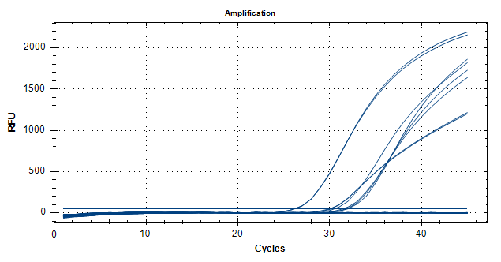
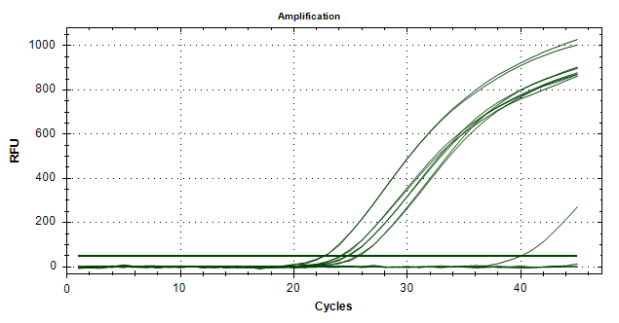

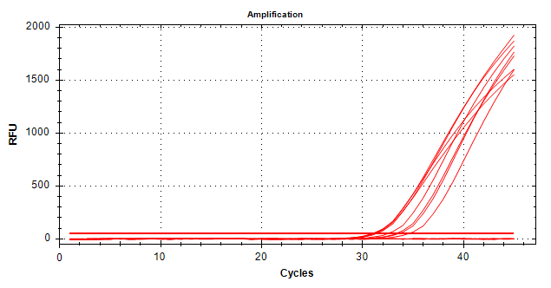
Well | Sample | Ct in FAM channel | Ct in HEX channel | Ct in TEX channel | Raw Amplification Plot (Red (TEX))
B02 | UidA NC MilliQ | N/A | N/A | N/A
D02 | UidA Passed Tap | N/A | N/A | N/A
E02 | UidA Fail Tap | N/A | N/A | N/A
F02 | UidA Toilet | N/A | N/A | N/A
G02 | UidA Water Tank | N/A | N/A | N/A
B03 | UidA NC MilliQ | N/A | N/A | N/A
D03 | UidA Passed Tap | N/A | N/A | N/A
E03 | UidA Fail Tap | N/A | N/A | N/A
F03 | UidA Toilet | N/A | N/A | N/A
G03 | UidA Water Tank | N/A | N/A | N/A
B05 | 3plx NC MilliQ | N/A | N/A | N/A
D05 | 3plx Passed Tap | 30.03 | 24.2 | 31.03
E05 | 3plx Failed Tap | 31.43 | 24.7 | 33.3
F05 | 3plx Toilet | 26.18 | 22.65 | 31.03
G05 | 3plx Water Tank | 31.81 | 25.56 | 33.55
B06 | 3plx NC MilliQ | N/A | N/A | N/A
D06 | 3plx Passed Tap | 30.14 | 24.12 | 31.13
E06 | 3plx Failed Tap | 30.53 | 24.79 | 32.48
F06 | 3plx Toilet | 26.2 | 22.73 | 31.34
G06 | 3plx Water Tank | 32 | 25.77 | 34.54
B10 | UidA NTC | N/A | N/A | N/A
C10 | 3plx NTC | N/A | 40.08 | N/A
B11 | UidA NTC | N/A | N/A | N/A
C11 | 3plx NTC | N/A | N/A | N/A

