Run Analysis
Project ID:
Experiment Title: | 20220817 Run 2 EC, leg 3plex w 700ml Ice AF crude
Experiment Aim: | To check NTC for 2/3PLEX by using different primer combination
Date: | 17-Aug-22
Operator: | Bachana

Link:

Instrument Information
Description |  | Asset Number (Internal)
Real-Time PCR System, CFX96 Touch |  | CFX-INS-2

Analysis Settings
Target Channel: | FAM, HEX, TEX
Threshold (CFX): | 50

Results and Run Analysis

Raw Amplification Plot (Green (FAM)) |  |  |  |  | Raw Amplification Plot (Yellow (HEX))
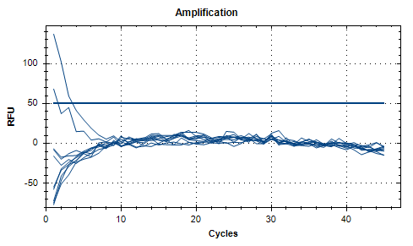
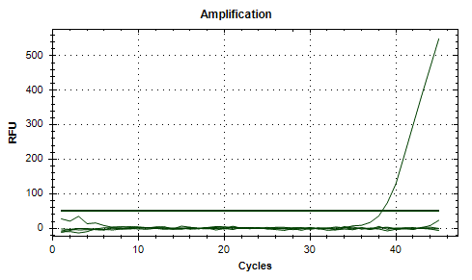

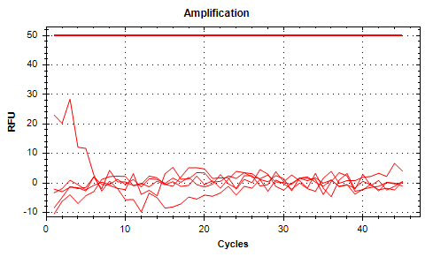
Well | Sample | Ct in FAM channel | Ct in HEX channel | Ct in TEX channel | Raw Amplification Plot (Red (TEX))
A01 | 3Plex NTC | N/A | 38.37 | N/A
A02 | 3Plex NTC | N/A | N/A | N/A
A04 | UidA NTC | N/A | N/A | N/A
A05 | UidA NTC | N/A | N/A | N/A
D01 | 3plex IC AF CRD | N/A | N/A | N/A
D02 | 3plex IC AF CRD | N/A | N/A | N/A
D04 | UidA IC AF CRD | N/A | N/A | N/A
D05 | UidA IC AF CRD | N/A | N/A | N/A
H11 | 3plex Superntnt | N/A | N/A | N/A
H12 | UidA Supernatnt | N/A | N/A | N/A

