Run Analysis
Project ID: | Jaipur (EC2110-D)
Experiment Title: | 20221214 Run 3 Diff Vol re-run on 300 vs 50ml kextract
Experiment Aim: | To determine the ideal volume for extraction of water samples & the effect of adjusting elution volume
Date: | 14-Dec-22
Operator: | Ken

Link:

Instrument Information
Description |  | Asset Number (Internal)
Real-Time PCR System, CFX96 Touch |  | CFX-INS-2

Analysis Settings
Target Channel: | FAM, HEX
Threshold (CFX): | 50

Results and Run Analysis

Raw Amplification Plot (Green (FAM)) |  |  |  | Raw Amplification Plot (Yellow (HEX))
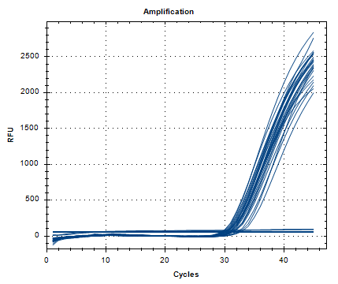
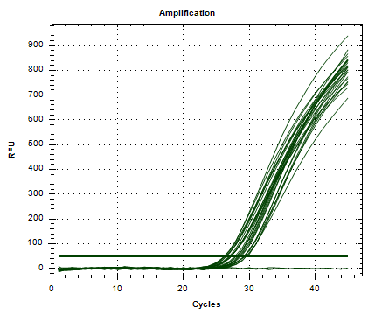

Well | Sample | Ct in FAM channel | Ct in HEX channel
A01 | 1/6cnca | 29.89 | 27.1
A02 | 1/6cnca | 30.27 | 27.25
B01 | 2/6 cnca | 30.08 | 27.13
B02 | 2/6 cnca | 29.89 | 26.96
C01 | 3/6 cnca | 30.54 | 27.25
C02 | 3/6 cnca | 30.46 | 27.24
D01 | 4/6 cnca | 29.4 | 26.23
D02 | 4/6 cnca | 29.33 | 26.17
E01 | 5/6 cnca | 32.5 | 29.51
E02 | 5/6 cnca | 32.21 | 29.2
F01 | 6/6 cnca | 29.56 | 26.39
F02 | 6/6 cnca | 29.24 | 26.28
H01 | 1/1 cnca | 30.07 | 26.55
H02 | 1/1 cnca | 30.05 | 26.46
A07 | 50mL 150ul | 31.25 | 29.21
A08 | 50mL 150ul | 31.18 | 29.21
A10 | 50mL 150ul | 31.88 | 29.57
A11 | 50mL 150ul | 31.17 | 29.55
B07 | 50mL 100ul | 30.8 | 28.38
B08 | 50mL 100ul | 30.56 | 28.49
B10 | 50mL 100ul | 31.05 | 28.75
B11 | 50mL 100ul | 30.8 | 28.61
C07 | 50mL 50ul | 29.71 | 28.22
C08 | 50mL 50ul | 29.96 | 27.8
C10 | 50mL 50ul | 30.75 | 27.99
C11 | 50mL 50ul | 30.01 | 28.04
G10 | NTC | 5.89 | N/A
G11 | NTC | 7.76 | N/A

Conclusion:
Extraction using the different funnels do not show consistency, with some varying 1-2 ct values. Comparing funnel filtration and direct 50ml extraction, results show that using funnel filtration gives a lower ct value. Additionally, lowering the elution volume gives a lower ct value.

