Run Analysis
Project ID: | Jaipur (EC2110-D)
Experiment Title: | 20221213 Run 1 Leg 2plex Diff Vol re-run on 300 vs 50ml kextract
Experiment Aim: | To determine the ideal volume for extraction of water samples & evaluate extraction of water samples using Lucigen buffer
Date: | 13-Dec-22
Operator: | Emily

Link:

Instrument Information
Description |  | Asset Number (Internal)
Real-Time PCR System, CFX96 Touch |  | CFX-INS-3

Analysis Settings
Target Channel: | FAM, HEX
Threshold (CFX): | 50

Results and Run Analysis

Raw Amplification Plot (Green (FAM)) |  |  |  | Raw Amplification Plot (Yellow (HEX))
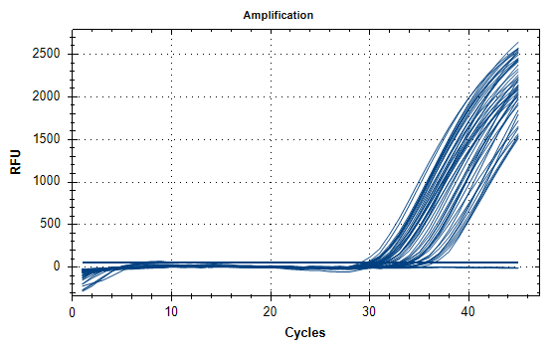
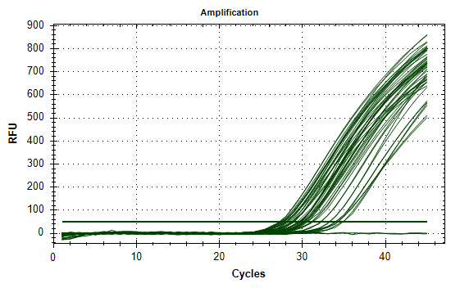

Well | Sample | Ct in FAM channel | Ct in HEX channel
A01 | 6X(1) REP1 | 35.62 | 34.25
A02 | 6X(1) REP1 | 35.39 | 34.29
A04 | 6X(1) REP2 | 35.92 | 33.96
A05 | 6X(1) REP2 | 34.5 | 34.04
A07 | 50ML_150UL REP1 | 31.4 | 30.14
A08 | 50ML_150UL REP1 | 31.27 | 30.08
A10 | 50ML_150UL REP2 | 32.2 | 30.49
A11 | 50ML_150UL REP2 | 31.79 | 30.4
B01 | 6X(2) REP1 | 30.54 | 28.88
B02 | 6X(2) REP1 | 30.83 | 28.68
B04 | 6X(2) REP2 | 34.08 | 32.26
B05 | 6X(2) REP2 | 34.44 | 32.17
B07 | 50ML_100UL REP1 | 30.52 | 29.63
B08 | 50ML_100UL REP1 | 31.05 | 29.32
B10 | 50ML_100UL REP2 | 31.52 | 29.56
B11 | 50ML_100UL REP2 | 31.35 | 29.65
C01 | 6X(3) REP1 | 29.56 | 27.22
C02 | 6X(3) REP1 | 29.02 | 27.2
C04 | 6X(3) REP2 | 30.08 | 27.64
C05 | 6X(3) REP2 | 29.54 | 27.47
C07 | 50ML_50UL REP1 | 29.7 | 28.13
C08 | 50ML_50UL REP1 | 29.69 | 28.35
C10 | 50ML_50UL REP2 | 29.92 | 28.67
C11 | 50ML_50UL REP2 | 30.86 | 29.01
D01 | 6X(4) REP1 | 30.36 | 27.96
D02 | 6X(4) REP1 | 30.36 | 27.77
D04 | 6X(4) REP2 | 29.85 | 27.41
D05 | 6X(4) REP2 | 29.71 | 27.33
D07 | 3500 1/1 REP1 | 33.7 | 29.84
D08 | 3500 1/1 REP1 | 33.47 | 30.06
D10 | 3500 1/1 REP2 | 30.48 | 28.06
D11 | 3500 1/1 REP2 | 30.79 | 28.08
E01 | 6X(5) REP1 | 35.34 | 34.87
E02 | 6X(5) REP1 | 34.57 | 34.85
E04 | 6X(5) REP2 | 31.01 | 28.69
E05 | 6X(5) REP2 | 31.33 | 29
F01 | 6X(6) REP1 | 32.86 | 31.23
F02 | 6X(6) REP1 | 32.69 | 31.17
F04 | 6X(6) REP2 | 29.73 | 27.67
F05 | 6X(6) REP2 | 29.91 | 27.64
F07 | 50 LB 1:1 | 33.06 | 29.54
F08 | 50 LB 1:1 | 33.1 | 29.57
G07 | 50 LB 1:1.5 | 31.96 | 29.68
G08 | 50 LB 1:1.5 | 32.84 | 29.87
H01 | 1X(7) REP1 | 35.41 | 33.21
H02 | 1X(7) REP1 | N/A | 33.28
H04 | 1X(7) REP2 | 33.98 | 31.06
H05 | 1X(7) REP2 | 36.38 | 30.57
H07 | 50 LB 1:2 | 33.89 | 30.28
H08 | 50 LB 1:2 | 33.49 | 30.24
H10 | 2PLEX NTC | N/A | N/A
H11 | 2PLEX NTC | N/A | N/A

Conclusion:
There is no consistency between the metal filtration extraction replicates , with some differing by ~3ct. Replicates between the 50ml direct extraction samples were more consistant. Extraction with Lucigen buffer is not better than Elysis even after increasing the volume of Lucigen buffer

