Run Analysis
Project ID: | Jaipur (EC2110-D)
Experiment Title: | 20221208 Run 1 Leg Diff Vol 300 vs 50ml comparison
Experiment Aim: | To determine the ideal volume for extraction of water samples
Date: | 8-Dec-22
Operator: | Nathalie

Link:

Instrument Information
Description |  | Asset Number (Internal)
Real-Time PCR System, CFX96 Touch |  | CFX-INS-2

Analysis Settings
Target Channel: | FAM, HEX
Threshold (CFX): | 50

Results and Run Analysis

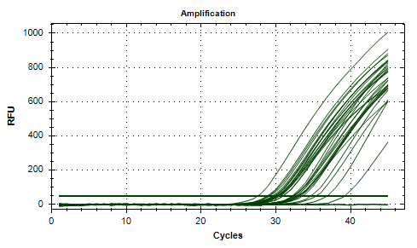
Raw Amplification Plot (Green (FAM)) |  |  |  | Raw Amplification Plot (Yellow (HEX))
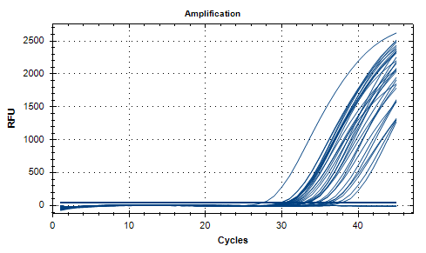

Well | Sample | Ct in FAM channel | Ct in HEX channel
A01 | 300ml 1/6 - rep 1 | 31.49 | 30.11
A02 | 300ml 1/6 - rep 1 | 31.59 | 30.34
A04 | 300ml 1/6 - rep 2 | 35.51 | 32.88
A05 | 300ml 1/6 - rep 2 | 34.67 | 33.08
A07 | 50 ml - rep 1 | 36.01 | 32.99
A08 | 50 ml - rep 1 | 36.38 | 32.74
A10 | 50 ml - rep 2 | N/A | 36.86
A11 | 50 ml - rep 2 | 37.21 | 39.18
B01 | 300ml 1/6 - rep 1 | 33.41 | 32.94
B02 | 300ml 1/6 - rep 1 | 33.25 | 32.59
B04 | 300ml 2/6 - rep 2 | 32.21 | 30.97
B05 | 300ml 2/6 - rep 2 | 31.86 | 30.92
B07 | 1/1 3500rpm | 29.9 | 28.82
B08 | 1/1 3500rpm | 29.9 | 29.01
C01 | 300ml 3/6 - rep 1 | 31.06 | 30.51
C02 | 300ml 3/6 - rep 1 | 30.85 | 30.15
C04 | 300ml 3/6 - rep 2 | 30.58 | 29.77
C05 | 300ml 3/6 - rep 2 | 30.37 | 29.84
C12 | PC | 27.51 | 27.54
D01 | 300ml 4/6 - rep 1 | 30.47 | 29.87
D02 | 300ml 4/6 - rep 1 | 30.6 | 30.22
E01 | 300ml 5/6 - rep 1 | 33.02 | 32.4
E02 | 300ml 5/6 - rep 1 | 33.14 | 32.24
E04 | 300ml 5/6 - rep 2 | 30.83 | 29.53
E05 | 300ml 5/6 - rep 2 | 30.48 | 29.15
F01 | 300ml 6/6 - rep 1 | 31.28 | 30.38
F02 | 300ml 6/6 - rep 1 | 31.09 | 30.26
F04 | 300ml 6/6 - rep 2 | 33.35 | 32.28
F05 | 300ml 6/6 - rep 2 | 32.72 | 32.17
G10 | NTC | N/A | N/A
G11 | NTC | N/A | N/A
H01 | 300ml 1/1 - rep 1 | 37.87 | 34.64
H02 | 300ml 1/1 - rep 1 | 35.9 | 35.36
H04 | 300ml 1/1 - rep 2 | 34.34 | 33.54
H05 | 300ml 1/1 - rep 2 | 34.63 | 33.26

Conclusion:

