Run Analysis
Project ID: | Jaipur (EC2110-D)
Experiment Title: | 20221205 Run 1 6 Yan Samples 50 vs 300ml w PMA+En
Experiment Aim: | Detection:Process the collaborator samples by 300mL and detect any pathogen
Date: | 5-Dec-22
Operator: | Ken & Nathalie

Link:

Instrument Information
Description |  | Asset Number (Internal)
Real-Time PCR System, CFX96 Touch |  | CFX-INS-2

Analysis Settings
Target Channel: | FAM, HEX, TEX
Threshold (CFX): | 50

Results and Run Analysis

Raw Amplification Plot (Green (FAM)) |  |  |  |  | Raw Amplification Plot (Yellow (HEX))
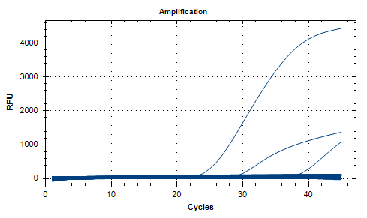
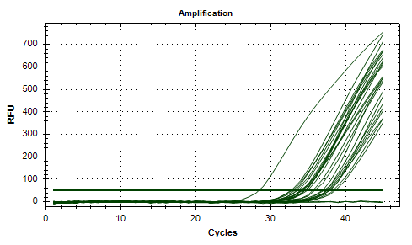

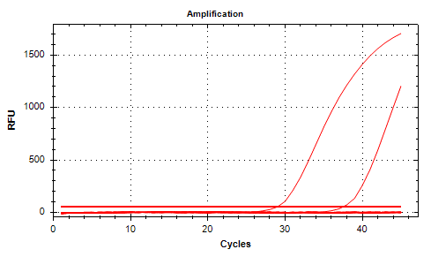
Well | Sample | Ct in FAM channel | Ct in HEX channel | Ct in TEX channel | Raw Amplification Plot (Red (TEX))
A01 | 3Plx S1 50ml | N/A | 35.58 | N/A
A02 | 3Plx S1 50ml | N/A | 34.83 | N/A
A03 | 3Plx S1 300ml | N/A | 36.84 | N/A
A04 | 3Plx S1 300ml | N/A | 37.85 | N/A
A06 | UidA S1 50ml | N/A | N/A | N/A
A07 | UidA S1 50ml | N/A | N/A | N/A
A08 | UidA S1 300ml | N/A | N/A | N/A
A09 | UidA S1 300ml | N/A | N/A | N/A
A11 | 3plx NTC | N/A | N/A | N/A
A12 | 3plx NTC | N/A | N/A | N/A
B01 | 3Plx S2 50ml | N/A | 34.04 | N/A
B02 | 3Plx S2 50ml | N/A | 33.12 | N/A
B03 | 3Plx S2 300ml | N/A | 33.35 | N/A
B04 | 3Plx S2 300ml | 37.2 | 33.52 | N/A
B06 | UidA S2 50ml | N/A | N/A | N/A
B07 | UidA S2 50ml | N/A | N/A | N/A
B08 | UidA S2 300ml | N/A | N/A | N/A
B09 | UidA S2 300ml | N/A | N/A | N/A
B11 | UidA NTC | 7.55 | N/A | N/A
B12 | UidA NTC | N/A | N/A | N/A
C01 | 3Plx S3 50ml | N/A | 34.51 | N/A
C02 | 3Plx S3 50ml | 9.28 | 34.13 | N/A
C03 | 3Plx S3 300ml | 3.5 | 34.48 | N/A
C04 | 3Plx S3 300ml | 8.74 | 34.51 | N/A
C06 | UidA S3 50ml | N/A | N/A | N/A
C07 | UidA S3 50ml | N/A | N/A | N/A
C08 | UidA S3 300ml | N/A | N/A | N/A
C09 | UidA S3 300ml | N/A | N/A | N/A
D01 | 3Plx S4 50ml | N/A | 34.14 | N/A
D02 | 3Plx S4 50ml | 14.81 | 33.91 | N/A
D03 | 3Plx S4 300ml | N/A | 32.62 | N/A
D04 | 3Plx S4 300ml | 7.44 | 32.85 | N/A
D06 | UidA S4 50ml | 3.57 | N/A | N/A
D07 | UidA S4 50ml | N/A | N/A | N/A
D08 | UidA S4 300ml | N/A | N/A | N/A
D09 | UidA S4 300ml | N/A | N/A | N/A
E01 | 3Plx S5 50ml | N/A | 37.51 | N/A
E02 | 3Plx S5 50ml | 17.94 | 37.04 | N/A
E03 | 3Plx S5 300ml | N/A | 37.34 | N/A
E04 | 3Plx S5 300ml | N/A | 35.83 | 37.4
E06 | UidA S5 50ml | N/A | N/A | N/A
E07 | UidA S5 50ml | N/A | N/A | N/A
E08 | UidA S5 300ml | 5.03 | N/A | N/A
E09 | UidA S5 300ml | N/A | N/A | N/A
F01 | 3Plx S6 50ml | N/A | 38.54 | N/A
F02 | 3Plx S6 50ml | 6.56 | 38.28 | N/A
F03 | 3Plx S6 300ml | 9.6 | 37.74 | N/A
F04 | 3Plx S6 300ml | N/A | 37.44 | N/A
F06 | UidA S6 50ml | N/A | 28.38 | 28.89
F07 | UidA S6 50ml | 9.11 | N/A | N/A
F08 | UidA S6 300ml | 7.74 | N/A | N/A
F09 | UidA S6 300ml | N/A | N/A | N/A
G12 | 3PLX PC SG1 1E2 | 28.38 | N/A | N/A
H12 | UidA G078 | 22.34 | N/A | N/A

Conclusion:
No E. coli was detected in any of the samples. Only sample 5 had Texas Red signal which means theres presence of Serogroup 1 and only sample 2 had FAM signal indicating presence of Serogroup 1-15 . All the samples had HEX signal which shows presence of legionella in general. Extraction with 300ml was overall better, with it being able to detect pathogenic legionella compared to 50ml.

