Run Analysis
Project ID: | Jaipur (EC2110-D)
Experiment Title: | 20221202 Run 2 3plx & Uida Sample (2&16) 50mlvs300ml
Experiment Aim: | To test the difference between 50mL and 300mL of sample 2 and 16(FB samples) processed via filtration system
Date: | 2-Dec-22
Operator: | Ken & Nathalie

Link:

Instrument Information
Description |  | Asset Number (Internal)
Real-Time PCR System, CFX96 Touch |  | CFX-INS-2

Analysis Settings
Target Channel: | FAM, HEX, TEX
Threshold (CFX): | 50

Results and Run Analysis

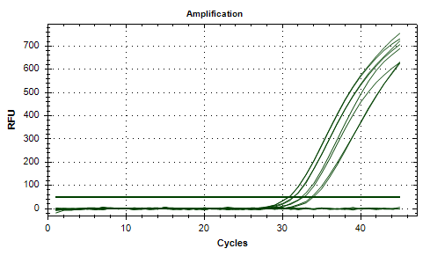
Raw Amplification Plot (Green (FAM)) |  |  |  |  | Raw Amplification Plot (Yellow (HEX))
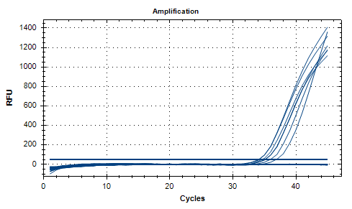

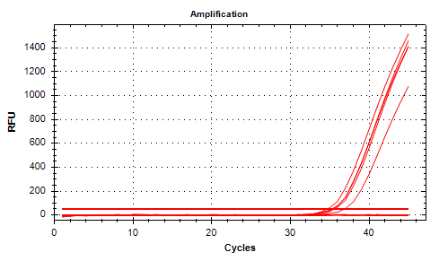
Well | Sample | Ct in FAM channel | Ct in HEX channel | Ct in TEX channel | Raw Amplification Plot (Red (TEX))
A11 | 3plx NTC | N/A | N/A | N/A
A12 | 3plx NTC | N/A | N/A | N/A
B11 | UidA NTC | N/A | N/A | N/A
B12 | UidA NTC | N/A | N/A | N/A
C01 | 3plx S2 50mlDir | N/A | 33.68 | N/A
C02 | 3plx S2 50mlDir | 36.84 | 33.94 | N/A
C03 | 3plx S2 300ml | 35.89 | 32.42 | N/A
C04 | 3plx S2 300ml | 35.05 | 32.68 | 36.86
C06 | 3plxS16 50mlDir | 34.57 | 30.82 | 35.24
C07 | 3plxS16 50mlDir | 34.1 | 30.76 | 34.64
C08 | 3plx S16 300ml | 34.08 | 31.42 | 35.35
C09 | 3plx S16 300ml | 35.12 | 31.35 | 35.56
D01 | UidA S2 50mlDir | N/A | N/A | N/A
D02 | UidA S2 50mlDir | N/A | N/A | N/A
D03 | UidA S2 300ml | N/A | N/A | N/A
D04 | UidA S2 300ml | N/A | N/A | N/A
D06 | UidAS16 50mlDir | N/A | N/A | N/A
D07 | UidAS16 50mlDir | N/A | N/A | N/A
D08 | UidA S16 300ml | N/A | N/A | N/A
D09 | UidA S16 300ml | N/A | N/A | N/A

Conclusion:

