Run Analysis
Project ID:
Experiment Title: | 20221122 Run 1 15F50F 16s
Experiment Aim: | To test water for 16s
Date: | 22-Nov-22
Operator: | Bachana

Link:

Instrument Information
Description |  | Asset Number (Internal)
Real-Time PCR System, CFX96 Touch |  | CFX-INS-2

Analysis Settings
Target Channel: | FAM, HEX, TEX
Threshold (CFX): | 50

Results and Run Analysis

Raw Amplification Plot (Yellow (HEX))
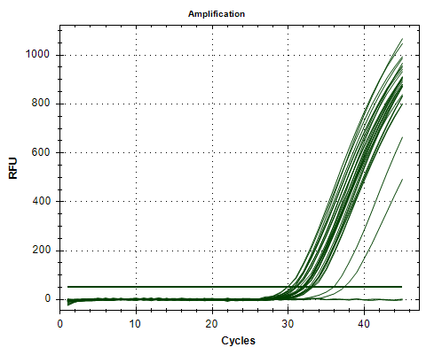

Well | Sample | Ct in HEX channel
A01 | 5ml Elysis | 32.14
A02 | 5ml Elysis | 31.96
A04 | 5ml LB | 32.94
A05 | 5ml LB | 33.2
A11 | 16s NTC | N/A
A12 | 16s NTC | N/A
B01 | 10ml 15F Elysis | 31.87
B02 | 10ml 15F Elysis | 32.03
B04 | 10ml 15F LB | 33.1
B05 | 10ml 15F LB | 33.02
C01 | 10ml 50F Elysis | 31.02
C02 | 10ml 50F Elysis | 30.94
C04 | 10ml 50F LB | 32.56
C05 | 10ml 50F LB | 32.15
D01 | 50ml Elysis | 29.82
D02 | 50ml Elysis | 29.86
D04 | 50ml LB | 31.84
D05 | 50ml LB | 31.89
E01 | 100ml Elysis | 30.87
E02 | 100ml Elysis | 31.08
E04 | 100ml LB | 37.29
E05 | 100ml LB | 35.92
F01 | 200ml Elysis | 30.65
F02 | 200ml Elysis | 30.41
F04 | 200ml LB | 32.82
F05 | 200ml LB | 32.89
G01 | 300ml Elysis | 30.36
G02 | 300ml Elysis | 30.62
G04 | 300ml LB | 31.69
G05 | 300ml LB | 31.43

