Sheet1
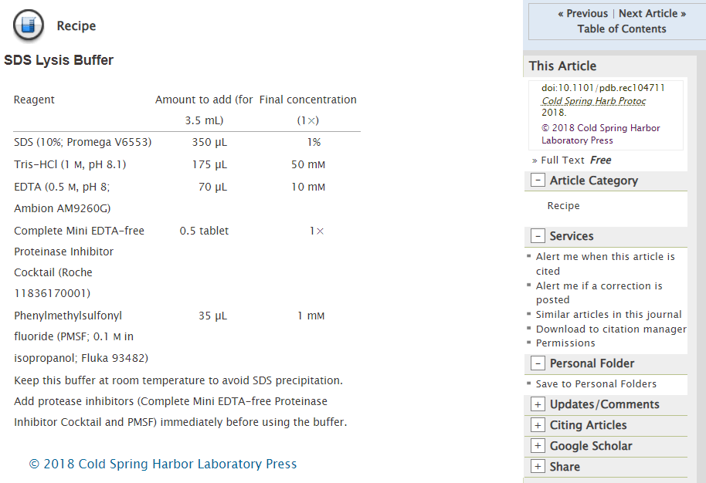

 | Conversion
 | Stock (Normality) | Stock conc. (mM) | Final Conc. (mM) | Df | Intended Total Vol of Making (uL) | Vol of Stock | 20ml
NaOH | 1 | 1000 | 240 | 4.1666666667 | 5000 | 1200 | 4800 | NaOH
 |  | mM | Final Conc (mM) | df | Intended Total Vol of Making (uL) | Vol of Stock | Vol of Stock
 | EDTA | 500 | 2.7 | 185.18518519 | 5000 | 27 | 108 | edta
 | Ethanol | 100 | 74 | 1.3513513514 | 5000 | 3700 | 14800 | Ethanol
 |  |  |  | Sub-total |  | 4927 | 19708
 |  |  |  | Top up with NFW to 5000 |  | 73 | 292
 |  |  |  | Total volume |  | 5000 | 20000

 | Conversion
 | Stock (Normality) | Stock conc. (mM) | Final Conc. (mM) | Df | Intended Total Vol of Making (uL) | Vol of Stock
NaOH | 1 | 1000 | 240 | 4.1666666667 | 5000 | 1200 |  | 200
 |  | mM | Final Conc (mM) | df | Intended Total Vol of Making (uL) | Vol of Stock
 | EDTA | 500 | 2.7 | 185.18518519 | 5000 | 27.0 |  | 2.25
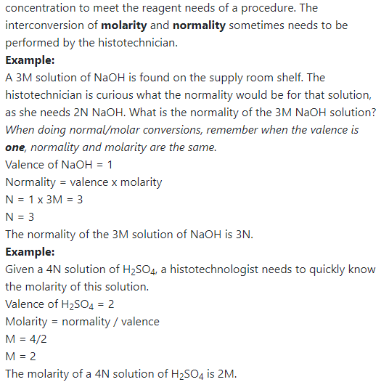
 | Ethanol | 100 | 74 | 1.3513513514 | 5000 | 3700.0 |  | 61.666666667
 | NP-40 | 70 | 1 | 70 | 5000 | 71.4 |  | 0.83333333333
 |  |  |  | Sub-total |  | 4998.4
 |  |  |  | Top up with NFW to 5000 |  | 1.6
 |  |  |  | Total volume |  | 5000.0

 | Conversion
 | Stock (Normality) | Stock conc. (mM) | Final Conc. (mM) | Df | Intended Total Vol of Making (uL) | Vol of Stock
NaOH | 1 | 1000 | 240 | 4.1666666667 | 5000 | 1200
 |  | mM | Final Conc (mM) | df | Intended Total Vol of Making (uL) | Vol of Stock
 | EDTA | 500 | 2.7 | 185.18518519 | 5000 | 27
 | Ethanol | 100 | 74 | 1.3513513514 | 5000 | 3700
 | GuHCl | 6000 | 500 | 12 | 5000 | 416.66666667
 |  |  |  | Sub-total |  | 5343.6666667
 |  |  |  | Top up with NFW to 5000 |  | -343.66666667
 |  |  |  | Total volume |  | 5000

